Problem
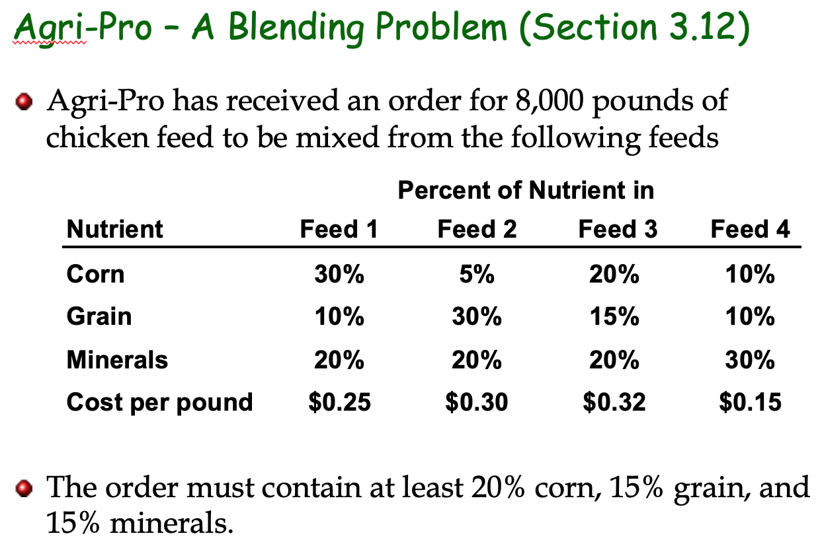

Solution
Agri Pro Blending Problem |  | F1 = amount of feed 1 in pounds and so on

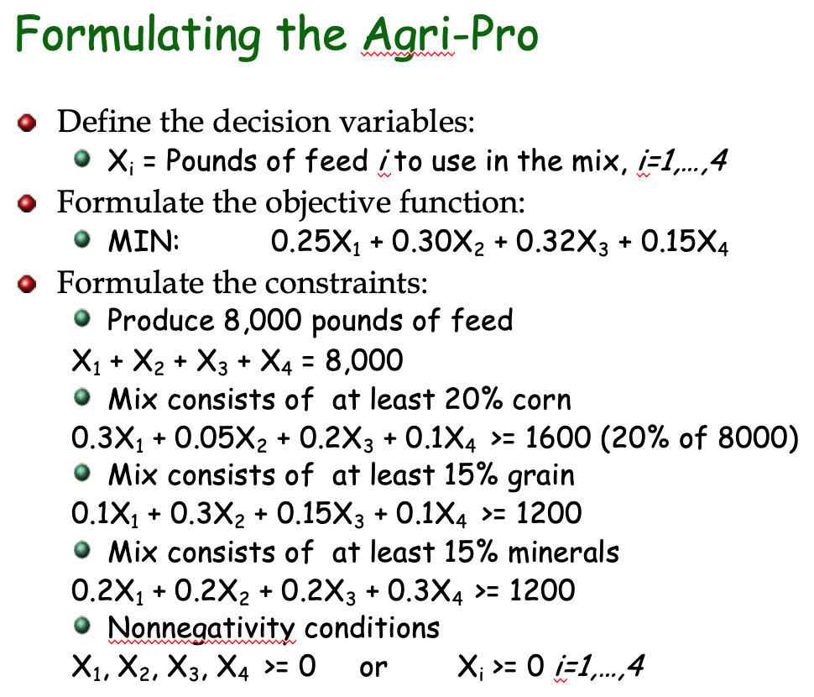
 | F1 | F2 | F3 | F4
Ind Variable | 4500 | 2000 | 0 | 1500 | Obj Val
Cost (MIN) | 0.25 | 0.3 | 0.32 | 0.15 | 1950
Total Quantity | 1 | 1 | 1 | 1 | 8000 | = | 8000
20% Corn | 0.3 | 0.05 | 0.2 | 0.1 | 1600 | >= | 1600
15% Grain | 0.1 | 0.3 | 0.15 | 0.1 | 1200 | >= | 1200
15% minerals | 0.2 | 0.2 | 0.2 | 0.3 | 1750 | >= | 1200

 | Sensitivity Analysis Report
 | Objective Cell (Min)
 |  | Cell | Name | Final Value
 |  | $G$5 | Cost (MIN) Obj Val | 1950

 | Decision Variable Cells
 |  |  |  | Final | Reduced | Objective | Allowable | Allowable
 |  | Cell | Name | Value | Cost | Coefficient | Increase | Decrease
 |  | $C$4 | Ind Variable F1 | 4500 | 0 | 0.25 | 0.13555573333 | 0.10000006667
 |  | $D$4 | Ind Variable F2 | 2000 | 0 | 0.3 | 0.3050004 | 0.17500006667
 |  | $E$4 | Ind Variable F3 | 0 | 0.07625 | 0.32 | 1E+30 | 0.07625
 |  | $F$4 | Ind Variable F4 | 1500 | 0 | 0.15 | 0.10000006667 | 1E+30

 | Constraints
 |  |  |  | Final | Shadow | Constraint | Allowable | Allowable
 |  | Cell | Name | Value | Price | R.H. Side | Increase | Decrease
 |  | $G$6 | Total Quantity Obj Val | 8000 | 0.0125 | 8000 | 4000 | 705.88235294
 |  | $G$7 | 20% Corn Obj Val | 1600 | 0.5 | 1600 | 300 | 900
 |  | $G$8 | 15% Grain Obj Val | 1200 | 0.875 | 1200 | 240 | 400
 |  | $G$9 | 15% minerals Obj Val | 1750 | 0 | 1200 | 550 | 1E+30

